Meta
RCI 2.0 - Scores; EU27=100 | Attention | The results have been updated on 16/05/2023 Due to a correction in 3 indicators included in the labour market efficiency pillar employment rate (excluding agriculture), unemployment rate, gender balance in unemployment rate.
Based on the RCI 2022 methodology. See: Dijkstra et al. (2023) The EU Regional Compeititvenss Index 2.0, 2022 editon, DG REGIO Working Paper Series, 1/2023, available at: https://ec.europa.eu/regional_policy/information-sources/maps/regional-competitiveness_en | The scores for RCI 2.0 - 2016 and RCI 2.0 - 2019 have been produced applying the new methodology, in order to guarantee comparability with RCI 2.0- 2022 edition. The resulting rankings do not replace the RCI rankings published in 2016 and 2019, produced with the old methodology. This is why the scores for RCI 2.0 2019 and RCI 2.0 2016 are published without associated rankings

NOTE: final scores (based on min-max) of the overall RCI, its sub - indices and the pillars are transformed into an EU index, by expressing each value as a percentage of the EU average. This is done using the following formula:
x_new=100+( (x-EU27)/EU27× 100)

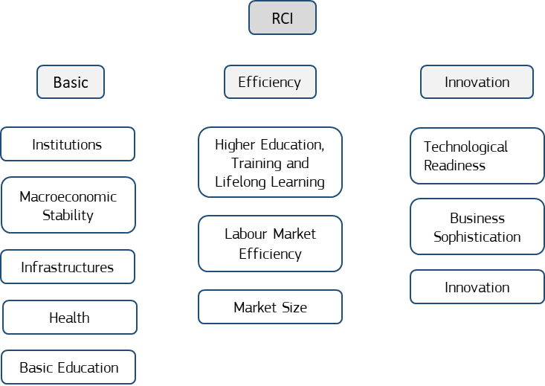
Stages of development have been determined by:
RCI 2.0 - 2022: GDP per head in PPS (average 2018 - 2019- 2020)
RCI 2.0 - 2019: GDP per head in PPS (average 2015 - 2016- 2017)
RCI 2.0 - 2022: GDP per head in PPS (average 2012 - 2013- 2014)

Less developed (LD): less than 75% of EU-27 average
Transition: between 75% and 100% of EU27 average
More Developed (MD): above 100% of EU27 average

