Process Diagram
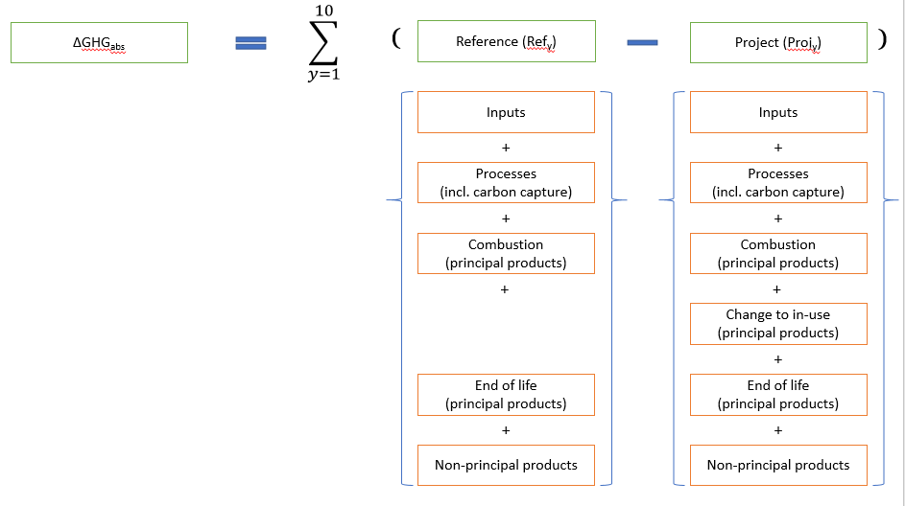
Please insert:
Process diagram(s) for the “project” and “reference” scenarios, using the template below, indicating all the sub-processes, inputs, and products that will be changed by the project, either in terms of technology or output (“activity level”), and where possible include quantities of the material and energy flows.

