Figure 1 - AROP TS original
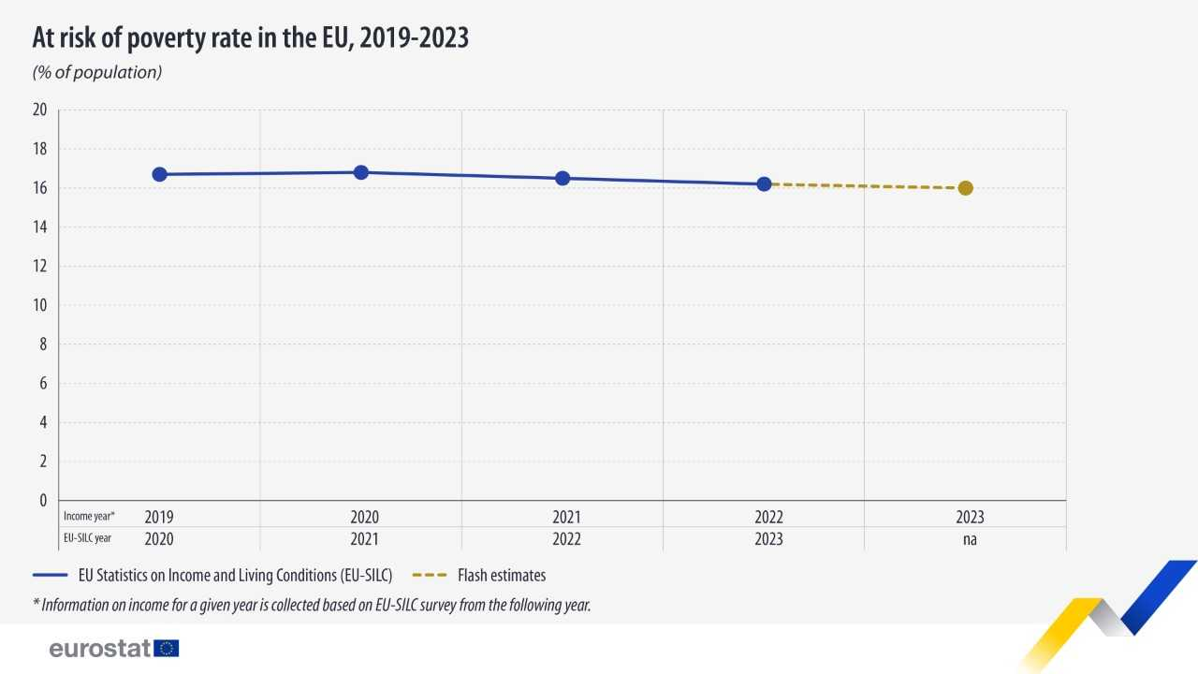
At risk of poverty rate in the EU, 2019-2023
% of population

 |  | EU Statistics on Income and Living Conditions (EU-SILC) | Flash estimates
EU-SILC year | Income year*
2020 | 2019 | 16.7
2021 | 2020 | 16.8
2022 | 2021 | 16.5
2023 | 2022 | 16.2 | 16.2
na | 2023 |  | 16.0

EU Statistics on Income and Living Conditions (EU-SILC)
Flash estimates of income inequality and poverty indicators (FE)
* Information on income for year T is collected in EU-SILC survey year T+1

Source: Eurostat

