Visual 1
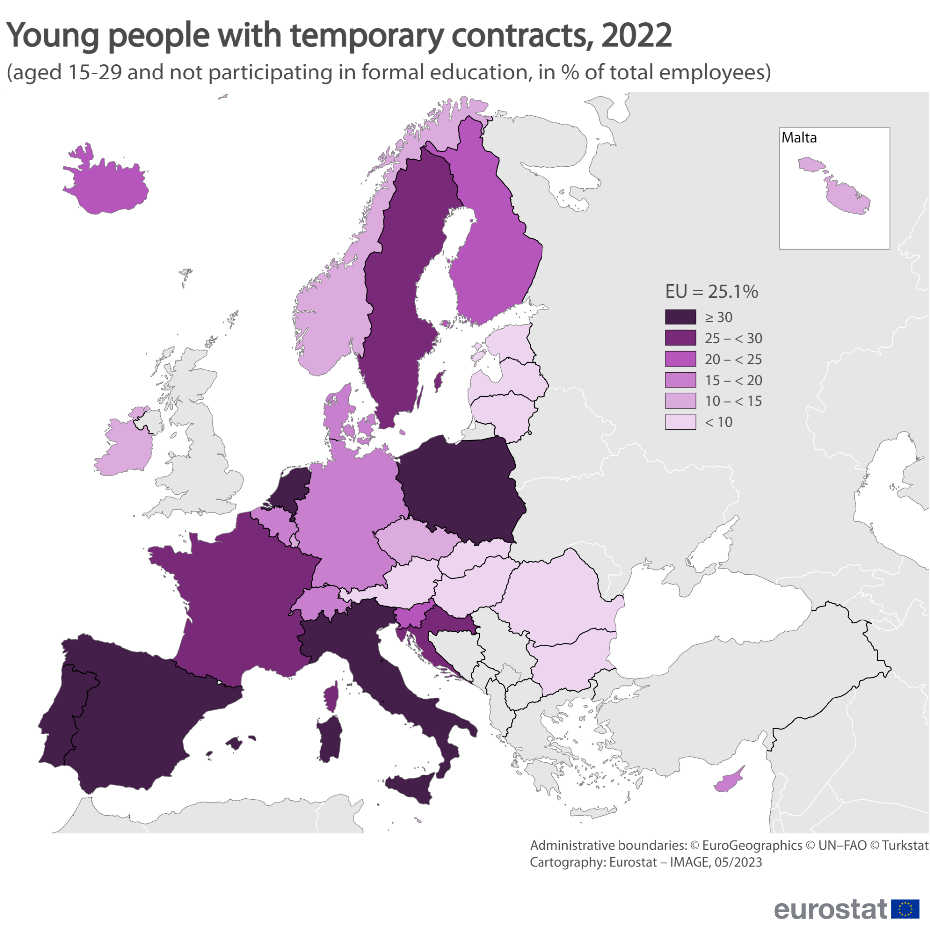
GEO2 | GEO | 15-29 not in education
13 | Italy | 43.6
10 | Spain | 42.1
23 | Portugal | 42.0
20 | Netherlands | 40.9
22 | Poland | 30.3
12 | Croatia | 29.1
28 | Sweden | 26.6
11 | France | 25.5
1 | EU | 25.1
25 | Slovenia | 23.7
27 | Finland | 22.3
14 | Cyprus | 18.9
6 | Germany | 17.9
2 | Belgium | 16.7
5 | Denmark | 15.6
9 | Greece | 15.5
17 | Luxembourg | 14.7
4 | Czechia | 11.5
8 | Ireland | 10.9
19 | Malta | 10.7
21 | Austria | 8.3
18 | Hungary | 8.1
26 | Slovakia | 7.2
3 | Bulgaria | 6.2
7 | Estonia | 5.0
24 | Romania | 4.9
15 | Latvia | 3.2
16 | Lithuania | 2.9

29 | Iceland | 21.1
30 | Norway | 13.7
31 | Switzerland | 17.0

Visual 2
Temporary contracts by sex, level of education and presence of children in the EU, 2022 (in % of total employees aged 25-64)
 |  | Female | Male
Low | Child | 20.3 | 15.3
 | No child | 14.8 | 16.8
Medium | Child | 10.8 | 6.9
 | No child | 9.5 | 9.6
High | Child | 9.4 | 5.5
 | No child | 14.4 | 12.0

