PPT chart
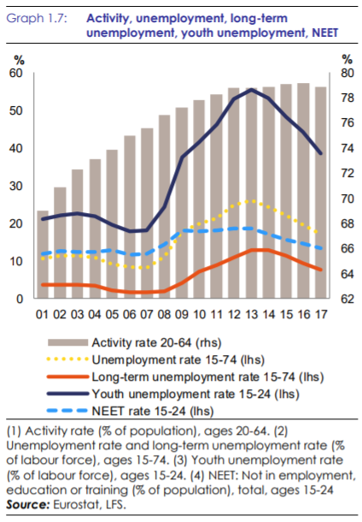
Long-term unemployment by sex - quarterly data [une_ltu_q] |  |  |  |  |  |  | Activity rates by sex, age and citizenship (%) [lfsq_argan] |  |  |  |  |  | Young people neither in employment nor in education and training (NEET), by sex and age - quarterly data [lfsi_neet_q] |  |  |  |  |  |  |  |  |  |  | Unemployment by sex and age – quarterly data [une_rt_q]

INDIC_EM | Long-term unemployment |  |  |  |  |  | SEX | Total |  |  |  |  | S_ADJ | Seasonally adjusted data, not calendar adjusted data |  |  |  |  |  |  |  |  |  | S_ADJ | Seasonally adjusted data, not calendar adjusted data
AGE | From 15 to 74 years |  |  |  |  |  | AGE | From 15 to 74 years |  |  |  |  | SEX | Total |  |  |  |  |  |  |  |  |  | AGE | From 15 to 74 years
UNIT | Percentage of population in the labour force |  |  |  |  |  | CITIZEN | Total |  |  |  |  | AGE | From 15 to 24 years |  |  |  |  |  |  |  |  |  | UNIT | Percentage of population in the labour force
S_ADJ | Seasonally adjusted data, not calendar adjusted data |  |  |  |  |  | UNIT | Percentage |  |  |  |  | UNIT | Percentage of total population |  |  |  |  |  |  |  |  |  | SEX | Total
SEX | Total

 | 2013Q1 | 2013Q2 | 2013Q3 | 2013Q4 | 2014Q1 | 2014Q2 | 2014Q3 | 2014Q4 | 2015Q1 | 2015Q2 | 2015Q3 | 2015Q4 | 2016Q1 | 2016Q2 | 2016Q3 | 2016Q4 | 2017Q1 | 2017Q2 | 2017Q3 | 2017Q4 | 2018Q1 | 2018Q2 | 2018Q3 | 2018Q4 | 2019Q1 | 2019Q2 | 2019Q3 | 2019Q4 | 2020Q1 | 2020Q2 | 2020Q3 | 2020Q4 | 2021Q1 | 2021Q2
Employment rate 20-64 (rhs) | 67.4 | 67.4 | 67.6 | 67.7 | 67.9 | 68.1 | 68.4 | 68.5 | 68.7 | 69.0 | 69.3 | 69.5 | 69.8 | 70.1 | 70.3 | 70.6 | 70.9 | 71.4 | 71.5 | 71.8 | 72.1 | 72.4 | 72.5 | 72.7 | 73.0 | 73.2 | 73.2 | 73.4 | 73.3 | 71.6 | 72.3 | 72.8 | 72.1 | 72.8
Unemployment rate (15-74) (lhs) | 11.5 | 11.4 | 11.4 | 11.3 | 11.2 | 10.9 | 10.7 | 10.7 | 10.4 | 10.2 | 9.9 | 9.7 | 9.5 | 9.3 | 9.0 | 8.8 | 8.6 | 8.2 | 8.1 | 7.8 | 7.6 | 7.4 | 7.1 | 7.0 | 6.9 | 6.7 | 6.6 | 6.6 | 6.6 | 6.8 | 7.6 | 7.2 | 7.6 | 7.3
Job vacancy rate (lhs) | 1.2 | 1.2 | 1.2 | 1.2 | 1.3 | 1.3 | 1.3 | 1.4 | 1.4 | 1.4 | 1.4 | 1.5 | 1.5 | 1.6 | 1.6 | 1.7 | 1.8 | 1.8 | 1.9 | 1.9 | 2.0 | 2.1 | 2.1 | 2.2 | 2.2 | 2.2 | 2.2 | 2.1 | 1.9 | 1.6 | 1.8 | 1.8 | 2.0 | 2.1
Youth unemployment (15-24) (lhs) | 25.2 | 24.7 | 24.6 | 24.7 | 24.6 | 23.8 | 23.4 | 23.2 | 22.7 | 22.1 | 21.8 | 21.4 | 20.9 | 20.6 | 20.2 | 19.7 | 19.0 | 18.5 | 17.8 | 17.5 | 17.0 | 16.4 | 16.2 | 15.9 | 15.8 | 15.2 | 15.0 | 15.2 | 15.3 | 17.4 | 18.5 | 17.3 | 18.3 | 17.7
* Break in series in unemployment rates since Q1-2021 |  |  |  |  |  |  |  |  |  |  |  |  |  |  |  |  |  |  |  |  |  |  |  |  |  |  |  |  |  |  |  |  |  |  | 1.2

